Advisory board
Full name | Role | Image | Desc | Instagram | LinkedIn | Twitter:
Dr. Indrajit Mulhopadhyay | Head ,Solar Research Development Centre, PDPU | 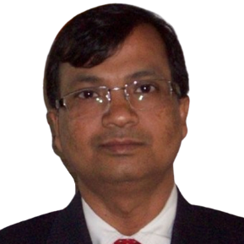 |  |  | https://www.linkedin.com/in/indrajit-mukhopadhyay-82278936?challengeId=AQGiMl68RxIxxAAAAXS7c8TWlM1n7GZr9UojteOoVOKMMO8Vuvm04UEPiVY9hdIgM-rWHQbqHFDA7WhzMpo4NoSxbT8dGOgCSA&submissionId=e8650e36-4b71-3716-8458-6d108abab45f&originalSubdomain=in
Mr. Akhilesh Magal | Head - Renewable Advisory Gujarat Energy Research and Management |  |  |  | https://www.linkedin.com/in/akhilesh-magal-09037229/?originalSubdomain=in
Mr. Abhinav Kapadia | Chief Financial Officer Pandit Deendayal Petroleum University Director PDPU Innovation & Incubation Centre |  |  |  | https://www.linkedin.com/in/abhinav-kapadia-8b182633/?trk=people-guest_people_search-card&originalSubdomain=in
Mr. Anay Mashruwala | Managing Director Venus Engineering Works and Mentor at PDPU Innovation & Incubation Centre |  |  |  | https://www.linkedin.com/in/anay-mashruwala-43b5038/?originalSubdomain=in
Mr. Vikrant Potnis | Director - Forthemega Advisors | 
Mr. Jatin Kataria | Founder - InMesta | 

Key clients
Logo | Name
 | ONGC
 | PDPU
 | Statue of unity
 | Smart city gandhinagar
 | Gujarat Urban development company ltd

